Declaration
 |  | Conflict Minerals Reporting Template (CMRT)
 | 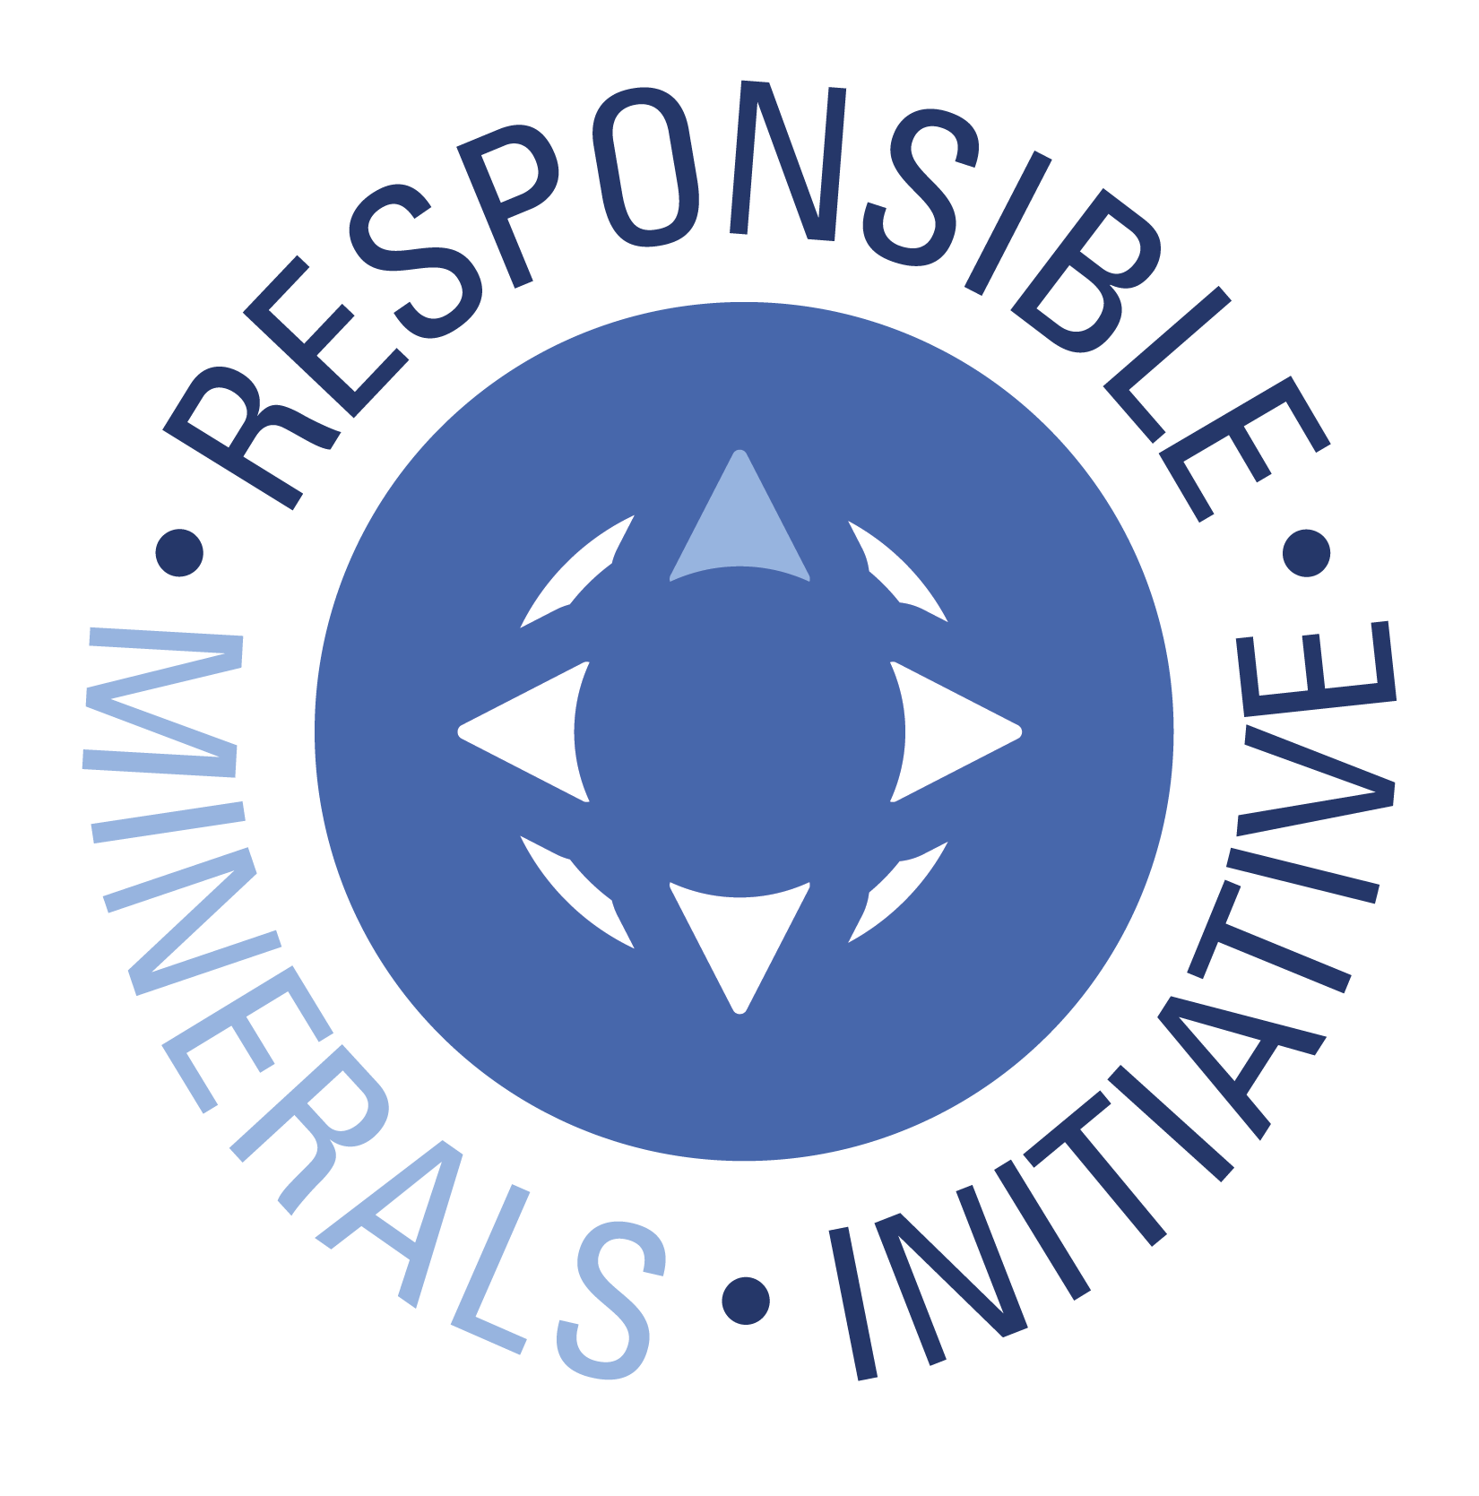 Select Language Preference Here: 请选择你的语言: 사용할 언어를 선택하시오 : 表示言語をここから選択してください: Sélectionner la langue préférée ici: Selecione Preferência de idioma Aqui: Wählen sie hier die Sprache: Seleccione el lenguaje de preferencia aqui: Selezionare la lingua di preferenza qui: Burada Dil Tercihini Belirleyin: | 中文 Chinese |  |  | Revision 6.6 April 17, 2026
 | 此填写此报告的目的是收集在产品中所用锡、钽、钨、黄金等金属的采购信息。 |  |  | 0
A
 | 必填字段标记为星号 (*)。参考说明选项卡，获取关于如何答复每个问题的指南。
 | 公司信息
 | 公司名称 (*)： | Nexperia B.V.
 | 申报范围或种类 (*)： | A. Company
 | 范围描述：

 | 公司唯一识别信息： | 49-202-0517
 | 公司唯一授权识别信息： | DUNS
 | 地址： | Jonkerbosplein 52, 6534 AB Nijmegen, The Netherlands
 | 联系人姓名 (*)： | Szilard Bohon
 | 电子邮件 - 联系人 (*)： | eco-products@nexperia.com
 | 电话 - 联系人 (*)： | +49 40 30708 2371
 | 授权人 (*)： | Dr. Timo Stein
 | 职务 - 授权人： | Manager Environmental Compliance Organization for Products (ECO-Products)
 | 电子邮件 - 授权人 (*)： | eco-products@nexperia.com
 | 电话 - 授权人： | +49 40 30708 2371
 | 生效日期 (*)： | 21-Apr-2026

 | 根据上述申报范围，回答以下 1 至 8 题
 | 1) 是否在产品或生产流程中有意添加或使用任何 3TG？(*) | 回答 | 注释
 | 钽(*) | Yes
 | 锡(*) | Yes
 | 金(*) | Yes
 | 钨(*) | Yes

 | 2) 是否有任何 3TG 仍存在于产品中？ (*) | 回答 | 注释
 | 钽(*) | Yes
 | 锡(*) | Yes
 | 金(*) | Yes
 | 钨(*) | Yes

 | 3) 贵公司供应链中的冶炼厂是否从所指明的国家采购 3TG？（有关术语“SEC”，请参见定义选项卡） (*) | 回答 | 注释
 | 钽(*) | Yes | Some SoRs are sourcing from DRC and CC.
 | 锡(*) | Yes | Some SoRs are sourcing from DRC and CC. There are SoRs without RCOI information available.
 | 金(*) | Yes | RJC SoRs may source from CC. LBMA SoRs may source from DRC and/or CC.
 | 钨(*) | Yes | Some SoRs are sourcing from DRC and CC. TI-CMC SoRs may source from DRC and/or CC. There are SoRs without RCOI information available.

 | 4) 贵公司供应链中是否有冶炼厂从受冲突影响和高风险地区 采购 3TG？ (*) | 回答 | 注释
 | 钽(*) | Yes | Some SoRs are sourcing from CAHRAs.
 | 锡(*) | Yes | Some SoRs are sourcing from CAHRAs. There are SoRs without RCOI information available.
 | 金(*) | Yes | Some SoRs are sourcing from CAHRAs. RJC SoRs may source from CAHRAs. LBMA SoRs may source from CAHRAs.
 | 钨(*) | Yes | Some SoRs are sourcing from CAHRAs. TI-CMC SoRs may source from CAHRAs. There are SoRs without RCOI information available.

 | 5) 是否 100% 的 3TG（因产品功能或生产而必须使用）来自于回收料或报废料？ (*) | 回答 | 注释
 | 钽(*) | No
 | 锡(*) | No
 | 金(*) | No
 | 钨(*) | No

 | 6) 已对贵公司供应链调查提供答复的相关供应商百分比是多少？ (*) | 回答 | 注释
 | 钽(*) | 100%
 | 锡(*) | 100%
 | 金(*) | 100%
 | 钨(*) | 100%

 | 7) 您是否识别出为贵公司供应链供应 3TG 的所有冶炼厂？ (*) | 回答 | 注释
 | 钽(*) | Yes | Based upon supplier inputs.
 | 锡(*) | Yes | Based upon supplier inputs.
 | 金(*) | Yes | Based upon supplier inputs.
 | 钨(*) | Yes | Based upon supplier inputs.

 | 8) 贵公司收到的所有适用冶炼厂信息是否已在此申报中报告？ (*) | 回答 | 注释
 | 钽(*) | Yes
 | 锡(*) | Yes
 | 金(*) | Yes
 | 钨(*) | Yes

 | 从公司层面，回答以下问题
 | 问题 | 回答 | 注释
 | A. 贵公司是否已制定负责任矿产采购政策？ (*) | Yes | Please find Nexperia's updated CMRT declaration at https://www.nexperia.com/about/corporate-social-responsibility/responsible-minerals-sourcing Additionally, please do not use the above email address to request updates. Instead, please contact your Sales Quality contact or fill in the technical support form on https://www.nexperia.com/support/technical-support-form.html

 | B. 贵公司的负责任矿产采购政策是否公开发布于贵公司网页上？（备注 - 如果是，请在注释字段中注明 URL。） (*) | Yes | https://www.nexperia.com/about/corporate-social-responsibility/responsible-minerals-sourcing

 | C. 您是否要求您的直接供应商从其尽职调查实践已被被独立第三方审核机构验证过的冶炼厂采购 3TG？ (*) | Yes

 | D. 贵公司是否已实施负责任矿产采购的尽职调查措施？ (*) | Yes

 | E. 贵公司是否开展了相关供应商的冲突矿产调查？ (*) | Yes, in conformance with IPC1755 (e.g., CMRT)

 | F. 贵公司是否根据公司期望来审查供应商提交的尽职调查信息？ (*) | Yes

 | G. 贵公司的验证程序是否包括纠正措施管理？ (*) | Yes

 | H. 贵公司是否需要提交年度冲突矿产披露？ (*) | Yes, with the EU | Nexperia Germany GmbH, please see nexperia.com/about/corporate-social-responsibility/responsible-minerals-sourcing

© 2026 Responsible Minerals Initiative。保留所有权利。

